Intersection 1
month | Accident | Loop 82 (Aquarena Springs Drive) @ IH 35 CRASH TREND
2011_1 | 2
2011_2 | 1
2011_3 | 5
2011_4 | 9
2011_5 | 4
2011_6 | 6
2011_7 | 3
2011_8 | 6
2011_9 | 3
2011_10 | 3
2011_11 | 3
2011_12 | 2
2012_1 | 5
2012_2 | 6
2012_3 | 3
2012_4 | 5
2012_5 | 2
2012_6 | 1 |  | 13
2012_7 | 0
2012_8 | 5
2012_9 | 2
2012_10 | 2
2012_11 | 5
2012_12 | 3
2013_1 | 1
2013_2 | 4
2013_3 | 0
2013_4 | 3
2013_5 | 3
2013_6 | 1
2013_7 | 2
2013_8 | 5
2013_9 | 3
2013_10 | 6
2013_11 | 3
2013_12 | 5
2014_1 | 15
2014_2 | 11
2014_3 | 9
2014_4 | 10
2014_5 | 3
2014_6 | 2
2014_7 | 2
2014_8 | 9
2014_9 | 2
2014_10 | 9
2014_11 | 2
2014_12 | 0
2015_1 | 2
2015_2 | 3
2015_3 | 3
2015_4 | 5
2015_5 | 5
2015_6 | 2
2015_7 | 2
2015_8 | 4
2015_9 | 6
2015_10 | 5
2015_11 | 2
2015_12 | 3
Loop 82 (Aquarena Springs Drive) @ IH 35 CRASH TREND
2011_1 | 2 | 3.5264754338
2011_2 | 1
2011_3 | 5
2011_4 | 9
2011_5 | 4
2011_6 | 6
2011_7 | 3
2011_8 | 6
2011_9 | 3
2011_10 | 3
2011_11 | 3
2011_12 | 2
2012_1 | 5
2012_2 | 6
2012_3 | 3
2012_4 | 5
2012_5 | 2
2012_6 | 1
2012_7 | 0
2012_8 | 5
2012_9 | 2
2012_10 | 2
2012_11 | 5
2012_12 | 3
2013_1 | 1
2013_2 | 4
2013_3 | 0
2013_4 | 3
2013_5 | 3
2013_6 | 1
2013_7 | 2
2013_8 | 5
2013_9 | 3
2013_10 | 6
2013_11 | 3
2013_12 | 5
2014_1 | 15
2014_2 | 11
2014_3 | 9
2014_4 | 10
2014_5 | 3
2014_6 | 2
2014_7 | 2
2014_8 | 9
2014_9 | 2
2014_10 | 9
2014_11 | 2
2014_12 | 0
2015_1 | 2
2015_2 | 3
...
2016_1 | 2
2016_2 | 6
2016_3 | 2
2016_4 | 4
2016_5 | 3
2016_6 | 5
2016_7 | 4
2016_8 | 2
2016_9 | 7
2016_10 | 4
2016_11 | 2
2016_12 | 5
2017_1 | 2
2017_2 | 5
2017_3 | 2
2017_4 | 2
2017_5 | 4
2017_6 | 2
2017_7 | 4
2017_8 | 4
2017_9 | 4
2017_10 | 2
2017_11 | 9
2017_12 | 3
2018_1 | 2
2018_2 | 1
2018_3 | 2
2018_4 | 4

Intersection 2
 | Month | Accidents | SH 80 (E Hopkins Street) @ IH 35 Loop 82
1 | 2011_1 | 6
2 | 2011_2 | 7
3 | 2011_3 | 9
4 | 2011_4 | 5
5 | 2011_5 | 7
6 | 2011_6 | 6
7 | 2011_7 | 6
8 | 2011_8 | 5
9 | 2011_9 | 4
10 | 2011_10 | 10
11 | 2011_11 | 7
12 | 2011_12 | 5 |  | 5.425
13 | 2012_1 | 4
14 | 2012_2 | 5
15 | 2012_3 | 1
16 | 2012_4 | 7
17 | 2012_5 | 2
18 | 2012_6 | 4
19 | 2012_7 | 6
20 | 2012_8 | 5
21 | 2012_9 | 2
22 | 2012_10 | 5
23 | 2012_11 | 9
24 | 2012_12 | 4
25 | 2013_1 | 8
26 | 2013_2 | 5
SH 80 (E Hopkins Street) @ IH 35 Loop 82 CRASH TREND
27 | 2013_3 | 5
28 | 2013_4 | 7
29 | 2013_5 | 5
30 | 2013_6 | 3
31 | 2013_7 | 7
32 | 2013_8 | 9
33 | 2013_9 | 3
34 | 2013_10 | 2
35 | 2013_11 | 5
36 | 2013_12 | 7
37 | 2014_1 | 3
Average Crash Number: 5.43
Average Crash Number: 6.20
38 | 2014_2 | 2
39 | 2014_3 | 8
40 | 2014_4 | 7
41 | 2014_5 | 9
42 | 2014_6 | 5
43 | 2014_7 | 4
44 | 2014_8 | 6
45 | 2014_9 | 5
46 | 2014_10 | 11
47 | 2014_11 | 6
48 | 2014_12 | 4
49 | 2015_1 | 4
50 | 2015_2 | 3
51 | 2015_3 | 9
52 | 2015_4 | 9
53 | 2015_5 | 6
54 | 2015_6 | 4
55 | 2015_7 | 14
56 | 2015_8 | 7
57 | 2015_9 | 13
58 | 2015_10 | 14
59 | 2015_11 | 4 |  | 6.2093023256
60 | 2015_12 | 8
61 | 2016_1 | 7
62 | 2016_2 | 8
63 | 2016_3 | 7
64 | 2016_4 | 8
65 | 2016_5 | 4
66 | 2016_6 | 6
67 | 2016_7 | 7
68 | 2016_8 | 6
69 | 2016_9 | 10
70 | 2016_10 | 6
71 | 2016_11 | 4
72 | 2016_12 | 3
73 | 2017_1 | 6
74 | 2017_2 | 6
75 | 2017_3 | 5
76 | 2017_4 | 5
77 | 2017_5 | 2
78 | 2017_6 | 5
79 | 2017_7 | 7
80 | 2017_8 | 4
81 | 2017_9 | 2
82 | 2017_10 | 5
83 | 2017_11 | 3
84 | 2017_12 | 5
85 | 2018_1 | 1
86 | 2018_2 | 5
87 | 2018_3 | 5
88 | 2018_4 | 9

Intersection 1,EB
 |  |  |  |  | Loop 82 (Aquarena Springs Drive) @ IH 35 CRASH TREND |  |  |  |  | average |  |  |  |  |  |  |  |  |  | Change %
month | Indicator | Accident | freeway up |  | Ramp 2 off | crd1 | Ramp 1 off | crd 2 | freewayup | Ramp 2 off | crd1 | Ramp 1 off | crd2 | sum | VE | coef b | VE^b | % |  | crd1 | Ramp 2 on =ramp 1 off |  | coef
2011_1 | 0 | 2 |  | 2011
2011_2 | 0 | 1 |  | 2012 | 16780 | 31000 | 12680 | 11680.712232 | 79140 | 17787 | 29760.5 | 12807 | 11213.672141 | 60354.5 | 580600309.87 | 0.9386 | 168180329.62
2011_3 | 0 | 5 |  | 2013 | 18794 | 28521 | 12934 | 10746.63205 | 79539
2011_4 | 0 | 9 |  | 2014 | 17007 | 17061 | 9733 |  | 90895
2011_5 | 0 | 4 |  | 2015 | 20419 | 27126 | 15793 | 10221 | 79098
2011_6 | 0 | 6 |  | 2016 | 20841 | 28236 | 15855 | 10639.244857 | 84952 | 20077 | 25961.25 | 15758.25 | 9782.1254977 | 61796.5 | 605499601.43 | 0.9386 | 174941187.63 | 1.0402000521 | 1.1287457132 | 0.87233917441 | 1.2304403842 |  | 0.9386
2011_7 | 0 | 3 |  | 2017 | 18691 | 21339 | 15041 | 8040.4747843 | 85636 |  |  |  |  | 1.0238921704
2011_8 | 0 | 6 |  | 2018 | 20357 | 27144 | 16344 | 10227.782349 | 90784
2011_9 | 0 | 3
2011_10 | 0 | 3 |  |  |  |  |  | 0.37679716877 |  |  |  |  |  |  |  |  |  |  |  |  |  |  |  |  |  |  |  | b
2011_11 | 0 | 3 |  |  |  |  |  |  |  |  |  |  |  |  |  |  | 3.39 | 12807 | 29761 | 17787 | 11214 | 580612545 | 15759 | 25962 | 20077 | 9783 | 605548449 | 0.9386 | 3.5264754338 | 3. 52
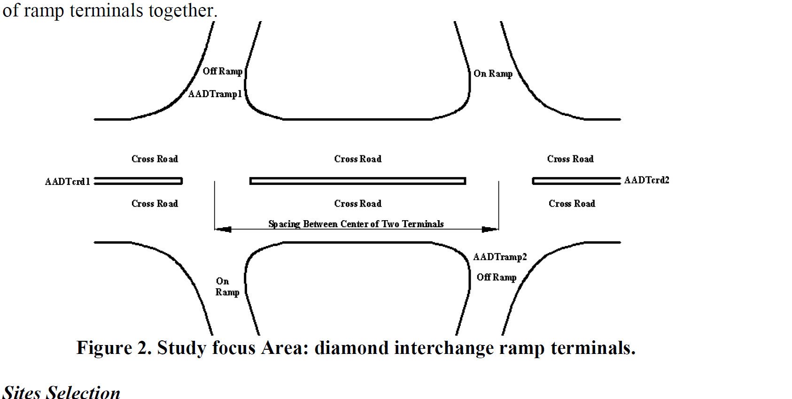
2011_12 | 0 | 2 |  |  |  |  |  |  |  |  |  |  |  |  |  |  |  |  |  |  |  | 580612545 |  |  |  |  | 605548449 |  | 3.5264754338
2012_1 | 0 | 5
2012_2 | 0 | 6 |  |  |  |  |  |  |  |  |  |  |  |  |  |  |  | 15758.25 | 25961.25 | 20077 | 9782.1254977 | 605499601.43
2012_3 | 0 | 3
2012_4 | 0 | 5
2012_5 | 0 | 2
2012_6 | 0 | 1
2012_7 | 0 | 0
2012_8 | 0 | 5
2012_9 | 0 | 2
2012_10 | 0 | 2
2012_11 | 0 | 5
2012_12 | 0 | 3
2013_1 | 0 | 1
2013_2 | 0 | 4
2013_3 | 0 | 0 |  |  |  |  |  |  |  |  |  |  |  |  |  |  |  | ……
2013_4 | 0 | 3
2013_5 | 0 | 3
2013_6 | 0 | 1
2013_7 | 0 | 2
2013_8 | 0 | 5
2013_9 | 0 | 3
2013_10 | 0 | 6
2013_11 | 0 | 3
2013_12 | 0 | 5
2014_1 | 1 | 15
2014_2 | 1 | 11
2014_3 | 1 | 9
2014_4 | 1 | 10
2014_5 | 2 | 3
2014_6 | 2 | 2
2014_7 | 2 | 2
2014_8 | 2 | 9
2014_9 | 2 | 2
2014_10 | 2 | 9
2014_11 | 2 | 2
2014_12 | 2 | 0
2015_1 | 2 | 2
2015_2 | 2 | 3
2015_3 | 2 | 3
2015_4 | 2 | 5
2015_5 | 2 | 5
2015_6 | 2 | 2
2015_7 | 2 | 2
2015_8 | 2 | 4
2015_9 | 2 | 6
2015_10 | 2 | 5
2015_11 | 2 | 2
2015_12 | 2 | 3
2016_1 | 2 | 2
2016_2 | 2 | 6
2016_3 | 2 | 2
2016_4 | 2 | 4
2016_5 | 2 | 3
2016_6 | 2 | 5
2016_7 | 2 | 4
2016_8 | 2 | 2
2016_9 | 2 | 7
2016_10 | 2 | 4
2016_11 | 2 | 2
2016_12 | 2 | 5
2017_1 | 2 | 2
2017_2 | 2 | 5
2017_3 | 2 | 2
2017_4 | 2 | 2
2017_5 | 2 | 4
2017_6 | 2 | 2
2017_7 | 2 | 4
2017_8 | 2 | 4
2017_9 | 2 | 4
2017_10 | 2 | 2
2017_11 | 2 | 9
2017_12 | 2 | 3
2018_1 | 2 | 2
2018_2 | 2 | 1
2018_3 | 2 | 2
2018_4 | 2 | 4

